ReadMe
INSTRUCTIONS

General: | The methodology for this assessment is based on the HR for SCM Theory of Change. | Assessment: | Do the Assessment
 | LINK to the HR for SCM Theory of Change
 |  | Status: | Assessment not completed
 | Detailed instructions on how to carry out this assessment are given in the accompanying Guide.
 |  | Dashboards: | DB1 - Diagnostic Dashboard
 | Key indicators are formulated so that they are applicable to all levels of the Supply Chain. |  | DB2 - View Maturity Levels
 | Priority interventions resulting from the assessment are suggestions, subject to user review and validation. |  | DB3 - Traffic Light Scores
 | Users of this tool are encouraged to decide on interventions that are best suited to their specific situation. |  | DB4 - Fuel Gauge Scores
 |  |  | DB5 - Traffic Light Matrix
 | When conducting a multi-level Supply Chain assessment, create a separate Excel file for each level. |  | DB6 - Heat Map Matrix
 | When conducting an assessment for different user groups, create a separate Excel file for each group.
 |  | Interventions: | Evaluate Interventions
Worksheets: | Worksheets are protected; only the text and values in the white cells can be changed. |  | Priority Interventions

Graphics: | The spider graph and bar charts in the Dashboard Worksheets (DB1…DB6) summarise the assessment findings.
 | Graphs are populated automatically as you complete the assessment.
 | Graphs and interventions can be copied and used for presentation and reporting purposes.

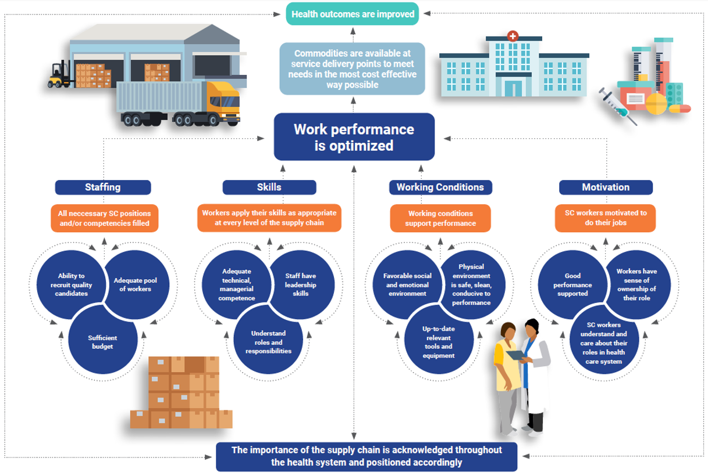

DB1
Dashboard 1: Diagnostic Dashboard | Assessment not completed
PATHWAY SCORES
Pathway 1 STAFFING | 0
Pathway 2 SKILLS |  | 0%
Pathway 3 WORKING CONDITIONS |  |  | 0
Pathway 4 MOTIVATION |  |  |  | 0
SPIDER GRAPH
 | Pathway 1 STAFFING | Pathway 2 SKILLS | Pathway 3 WORKING CONDITIONS | Pathway 4 MOTIVATION
Recruitment Process | 0%
Pool of SC Workers | 0%
Budget for SC Staff | 0%
SC Competencies |  | 0%
Leadership Skills |  | 0%
Understanding SC Responsibilities |  | 0%
Social & Emotional Environment |  |  | 0%
Physical Environment |  |  | 0%
Tools & Equipment |  |  | 0%
Support for Good Performance |  |  |  | 0%
Understanding Role in Health System |  |  |  | 0%
Sense of Ownership |  |  |  | 0%

COMPONENT SCORES
 | Pathway 1 STAFFING | Pathway 2 SKILLS | Pathway 3 WORKING CONDITIONS | Pathway 4 MOTIVATION
Recruitment Process | 0%
Pool of SC Workers | 0%
Budget for SC Staff | 0%
SC Competencies |  | 0%
Leadership Skills |  | 0%
Understanding SC Responsibilities |  | 0%
Social & Emotional Environment |  |  | 0%
Physical Environment |  |  | 0%
Tools & Equipment |  |  | 0%
Support for Good Performance |  |  |  | 0%
Understanding Role in Health System |  |  |  | 0%
Sense of Ownership |  |  |  | 0%

DB4
Dashboard 4: Fuel Gauge Scores |  |  |  | Assessment not completed

 | Donut 1-1 | Pie 1-1
 | 40 | 0
 | 20 | 1
 | 40 | 199
 | 100
 | Donut 1-2 | Pie 1-2
 | 40 | 0
 | 20 | 1
 | 40 | 199
 | 100
 | Donut 1-3 | Pie 1-3
 | 40 | 0
 | 20 | 1
 | 40 | 199
 | 100
 | 0% | 0% | 0%

 |  |  |  | STAFFING

 | Recruitment Process | Pool of SC Workers | Budget for SC Staff

 | Donut 2-1 | Pie 2-1
 | 40 | 0
 | 20 | 1
 | 40 | 199
 | 100
 | Donut 2-2 | Pie 2-2
 | 40 | 0
 | 20 | 1
 | 40 | 199
 | 100
 | Donut 2-3 | Pie 2-3
 | 40 | 0
 | 20 | 1
 | 40 | 199
 | 100
 | 0% | 0% | 0%

 |  |  |  | SKILLS

 | SC Competencies | Leadership Skills | Understanding SC Responsibilities

 | Donut 3-1 | Pie 3-1
 | 40 | 0
 | 20 | 1
 | 40 | 199
 | 100
 | Donut 3-2 | Pie 3-2
 | 40 | 0
 | 20 | 1
 | 40 | 199
 | 100
 | Donut 3-3 | Pie 3-3
 | 40 | 0
 | 20 | 1
 | 40 | 199
 | 100
 | 0% | 0% | 0%

 |  |  |  | WORKING CONDITIONS

 | Social & Emotional Environment | Physical Environment | Tools & Equipment

 | Donut 4-1 | Pie 4-1
 | 40 | 0
 | 20 | 1
 | 40 | 199
 | 100
 | Donut 4-2 | Pie 4-2
 | 40 | 0
 | 20 | 1
 | 40 | 199
 | 100
 | Donut 4-3 | Pie 4-3
 | 40 | 0
 | 20 | 1
 | 40 | 199
 | 100
 | 0% | 0% | 0%

 |  |  |  | MOTIVATION

 | Support for Good Performance | Understanding Role in Health System | Sense of Ownership

